Release
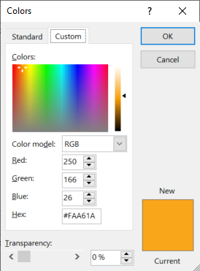
aa_bbvcc, where aa is document sort order as per user needs, bb is the template release number and cc is the document version

(r) Template release |  |  |  |  | https://www.compart.com/en/unicode/U+2022
Version | Date | Made by | Description
9 | 2-Nov-20 | Pieter van Zyl | Updates for company x
10 | 2-Nov-20 | Pieter van Zyl | Version history table added
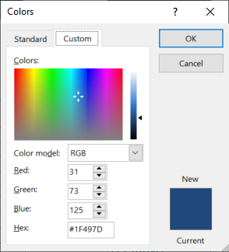
13 | 7-Nov-20 | Pieter van Zyl | Combine 01 and 02 plan in one. Merge tables . Move address sections into StartupInfo
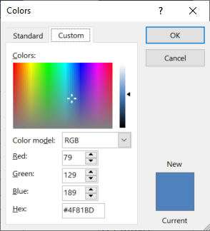
16 | 10-Nov-20 | Pieter van Zyl | Updated the macros
17 | 10-Nov-20 | Pieter van Zyl | Added OU location formula
24 | 18-Nov-20 | Pieter van Zyl | Include Opening briefing lookup (Standard). Add macros back
25 | 18-Nov-20 | Pieter van Zyl | Included resource estimates 12_ResourceEstimatesV3
26 | 19-Nov-20 | Pieter van Zyl | Start working on Participant List (All staff, all potential participants, recommended participants)
34 | 5-Dec-20 | Pieter van Zyl | Included PPQA quality flag
38 | 10-Dec-20 | Pieter van Zyl | Updated pivot table data sources.
43 | 4-Feb-21 | Pieter and Francois | Updates to align with latest BASE release 3.8.0.44 and incorporate Francois planning input.
50 | 28-Apr-21 | Pieter van Zyl | Updated formula error in P1PA-SS and Function Solution Domain reference
51 | 2-May-21 | Pieter van Zyl | Included the Measurement manager role and measurement management process
52 | 8-May-21 | Pieter van Zyl | Update the schedule to only full team.
53 | 27-May-21 | Pieter van Zyl | Small updates. Formulas in Schedule fixed. List of artifacts in tab:P3RF. Added VV3.2 (was omitted)
53 | 7-Jun-21 | Jared Twigg | Added minor changes to Schedule and
56 | 24-Sep-21 | Pieter van Zyl | Include performance report in schedule.
57 | 5-Jan-22 | Jared Twigg | Removed 1.4 from OULC tab (DPI #6)

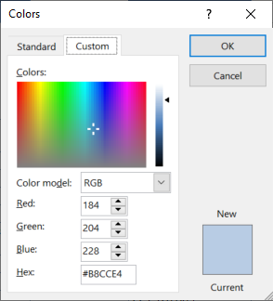
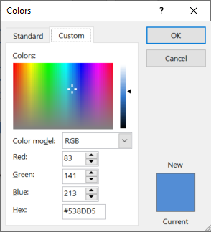

 | Planning & Managing Work |  | Engineering & Developing Products |  | Ensuring Quality

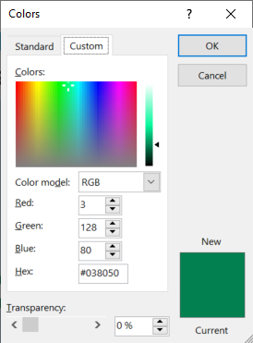
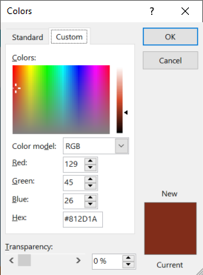
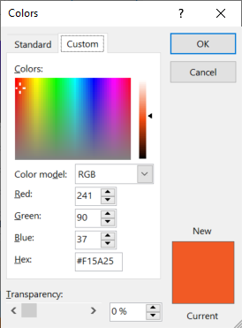

 | Managing Business Resilience |  | Managing the Workforce | Supporting Implementation |  | Sustaining Habit and Persistence | Improving Performance
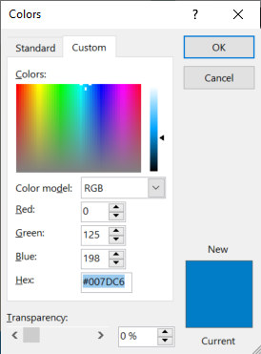
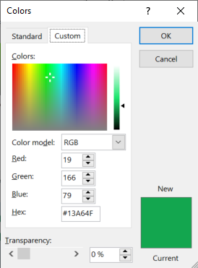
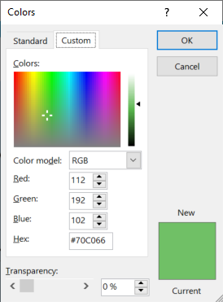
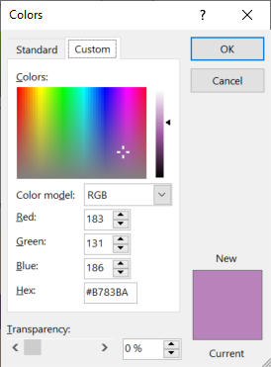
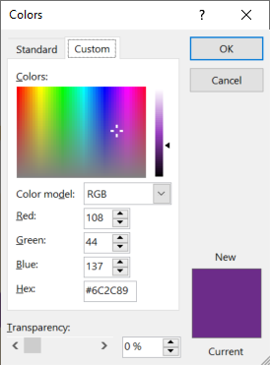

 |  |  |  | Selecting & Managing Suppliers

P3RF
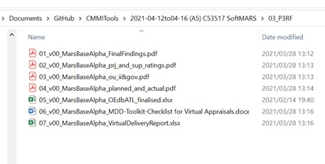
Appraisal Results and Feedback
Team Feedback Froms
Perform in CAS

Appraisal Artifacts
see list in 03_P3RF

